2
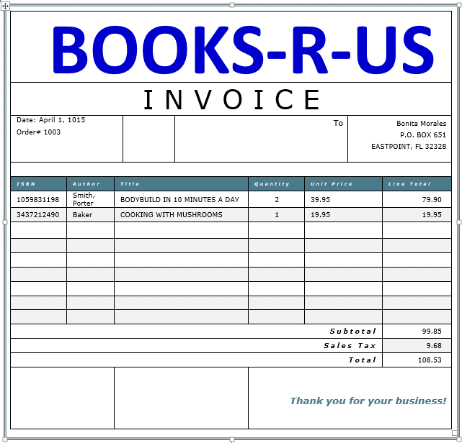

12
Large Product Sales - 2010 and 2011
 | NE | NW | SE | SW
Clothes Washers | 244 | 350 | 363 | 414
Dishwashers | 322 | 268 | 288 | 251
Dryers | 336 | 356 | 328 | 237
Refrigerators | 330 | 327 | 292 | 320
Televisions | 381 | 393 | 445 | 273
Salesperson | Product | Region | Customer | Date | Items | Amount | Column1
Morgan, Gil | Dishwashers | NE | Home Emporium | 6/16/2011 | 1 | 816
Pardo, Don | Dishwashers | NE | Kitchen Center | 5/25/2010 | 1 | 824
Morgan, Gil | Dishwashers | NE | Home Emporium | 3/8/2011 | 2 | 1,158
Loman, Willy | Dishwashers | NE | Home USA | 6/27/2011 | 2 | 792
Loman, Willy | Dishwashers | NE | Kitchen Center | 7/14/2010 | 2 | 1,286
Clark, Dick | Dishwashers | NE | Appliance Mart | 9/9/2010 | 3 | 1,557
Loman, Willy | Dishwashers | NE | Home Emporium | 12/24/2010 | 3 | 2,295
Mann, Ed | Dishwashers | NE | Home Emporium | 3/30/2011 | 4 | 2,392
Furn, Betty | Dishwashers | NE | Kitchen Center | 6/25/2010 | 4 | 2,180
Loman, Willy | Dishwashers | NE | Kitchen Center | 11/9/2010 | 4 | 1,448
Loman, Willy | Dishwashers | NE | Kitchen Center | 4/3/2010 | 5 | 3,910
Furn, Betty | Dishwashers | NE | ElectroCity | 5/14/2010 | 6 | 3,666
Short, Dina | Dishwashers | NE | Home Emporium | 2/22/2011 | 6 | 3,612
Reimers, Ed | Dishwashers | NE | Kitchen Center | 11/2/2010 | 6 | 3,564
Mann, Ed | Dishwashers | NE | Appliance Mart | 6/18/2011 | 7 | 3,395
Mann, Ed | Dishwashers | NE | Home Emporium | 1/6/2011 | 7 | 5,999
Reimers, Ed | Dishwashers | NE | Home Emporium | 2/8/2011 | 7 | 2,716
Loman, Willy | Dishwashers | NE | Kitchen Center | 8/10/2011 | 7 | 4,277
Loman, Willy | Dishwashers | NE | ElectroCity | 11/19/2010 | 8 | 3,568
Folger, Art | Dishwashers | NE | ElectroCity | 6/9/2011 | 8 | 7,120
Roman, Barb | Dishwashers | NE | Kitchen Center | 6/22/2010 | 8 | 4,080
Loman, Willy | Dishwashers | NE | Appliance Mart | 12/1/2011 | 9 | 7,461
Loman, Willy | Dishwashers | NE | ElectroCity | 1/3/2010 | 9 | 5,301
Roman, Barb | Dishwashers | NE | Kitchen Center | 9/1/2010 | 9 | 3,789
Loman, Willy | Dishwashers | NE | Appliance Mart | 7/30/2010 | 10 | 8,540
Morgan, Gil | Dishwashers | NE | Appliance Mart | 5/2/2011 | 10 | 5,650
Short, Dina | Dishwashers | NE | Appliance Mart | 8/4/2011 | 10 | 7,760
Pardo, Don | Dishwashers | NE | ElectroCity | 2/8/2011 | 11 | 7,656
Popiel, Ron | Dishwashers | NE | ElectroCity | 2/2/2011 | 12 | 4,452
Popiel, Ron | Dishwashers | NE | ElectroCity | 12/19/2011 | 12 | 8,880
Folger, Art | Dishwashers | NE | Kitchen Center | 9/18/2010 | 12 | 9,192
Popiel, Ron | Dishwashers | NE | Kitchen Center | 9/28/2010 | 12 | 4,188
Popiel, Ron | Dishwashers | NE | Appliance Mart | 1/25/2010 | 13 | 5,083
Short, Dina | Dishwashers | NE | Appliance Mart | 3/11/2011 | 13 | 6,669
Clark, Dick | Dishwashers | NE | ElectroCity | 6/8/2010 | 13 | 6,994
Pardo, Don | Dishwashers | NE | ElectroCity | 2/1/2011 | 13 | 8,125
Loman, Willy | Dishwashers | NE | Home Emporium | 7/20/2010 | 13 | 11,648
Folger, Art | Dishwashers | NE | Home Emporium | 11/12/2011 | 13 | 9,516
Pardo, Don | Dishwashers | NE | Home Emporium | 7/1/2010 | 14 | 12,138
Furn, Betty | Dishwashers | NE | ElectroCity | 3/24/2011 | 18 | 10,260
...
Salesperson | Product | Region | Customer | Date | Items | Amount | Column1
Total |  |  |  |  | 40 | 203,957

